Instructions
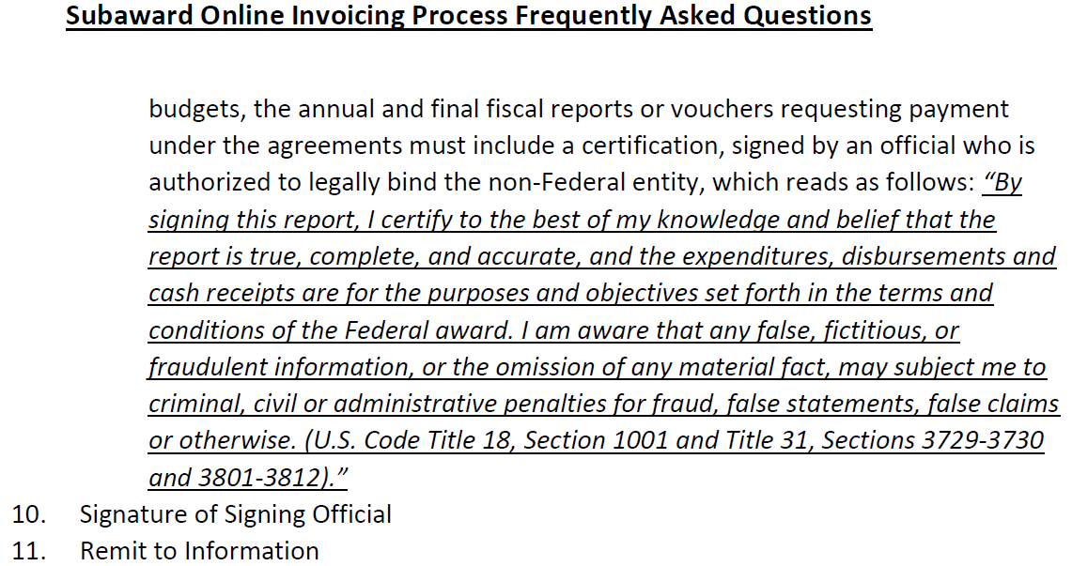
Link to RFS instructions:
https://www.uky.edu/ufs/accounts-receivable-compliance#Subaward%20Monitoring

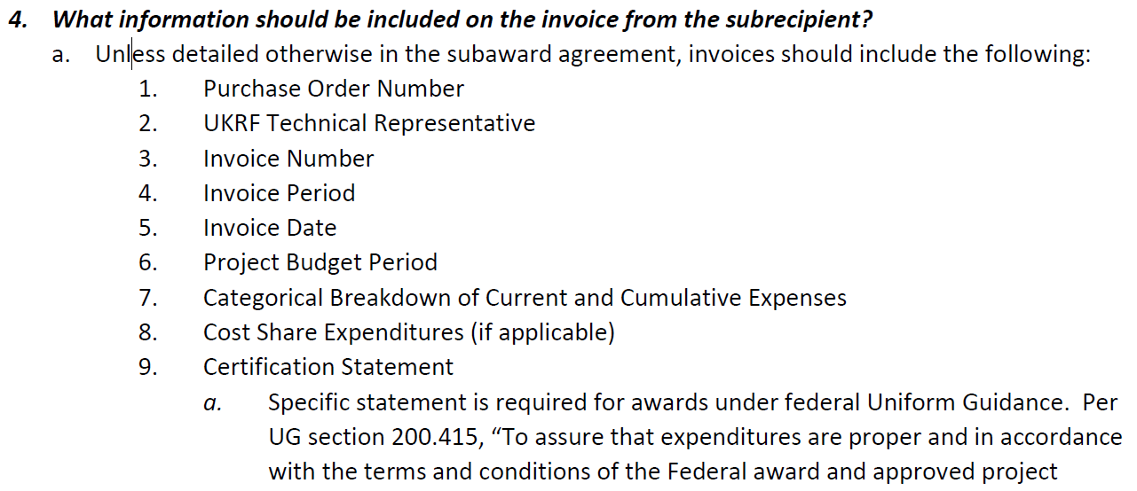

To
tlayow@theabfm.org

PI 1
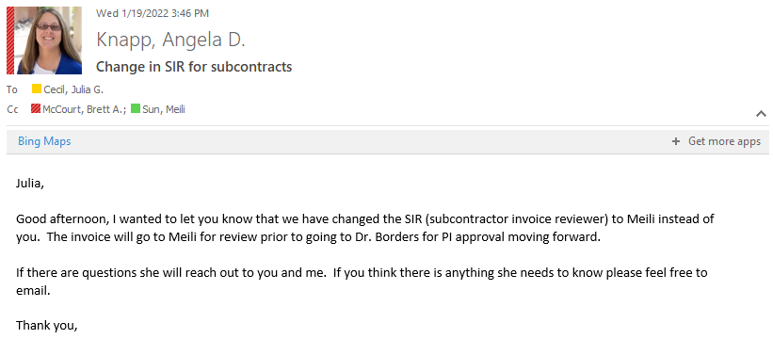
Grant Account | Subawardee | Purchase Order | Invoice Number | Invoice Period | Contract Period | Budget | Invoice Amount | Cumulative
320000XXXX-22-065 | American Board Family Medicine Inc | 780000XXXX | 2022-01RD | 9/1/21-12/31/21 | 9/1/21-8/31/22 | $48,197.00 | $2,851.80
 |  |  | 2022-02RD | 1/1/22-3/31/22 | 9/1/21-8/31/22 |  | $3,039.88
 |  |  | 2022-03RD | 4/1/22-6/30/22 | 9/1/21-8/31/22 |  | $3,845.74
 |  |  | 2022-04RD FINAL | 7/1/22-8/31/22 | 9/1/21-8/31/22 |  | $4,000.36
New Contract |  |  |  |  |  |  | $13,737.78 | $34,459.22
321000XXXX-23-233 |  | 780000XXXX |  |  | 1/1/23-8/31/23 | $34,460.00

320000XXXX-22-141 | University of Arkansas | 780000XXXX | 90162762 | 9/1/21-5/31/22 | 9/1/21-8/31/23 | $76,777.00 | $42,817.96 | $42,817.96
 |  |  | CRV15521101-0622 | 6/1/22-6/30/22 | 9/1/21-8/31/23 |  | $6,493.47 | $49,311.43
Amendment #1 |  |  |  |  |  | $86,000.00
 |  |  | CI-00048756 | 7/1/22-8/31/22 | 9/1/21-8/31/23 |  | $17,939.27 | $67,250.70
 |  |  | CI-00048757 | 9/1/22-1/31/23 | 9/1/21-8/31/23 |  | $32,931.77 | $100,182.47
 |  |  | CI-00056558 | 2/1/23-3/31/23 | 9/1/21-8/31/23 |  | $13,745.26 | $113,927.73
 |  |  | CI-00057889 | 4/1/23-4/30/23 | 9/1/21-8/31/23 |  | $6,640.19 | $120,567.92
 |  |  | CI-00061051 | 5/1/23-5/31/23 | 9/1/21-8/31/23 |  | $6,830.35 | $127,398.27
 |  |  |  |  |  | $162,777.00 | $127,398.27 | $35,378.73

PI 3
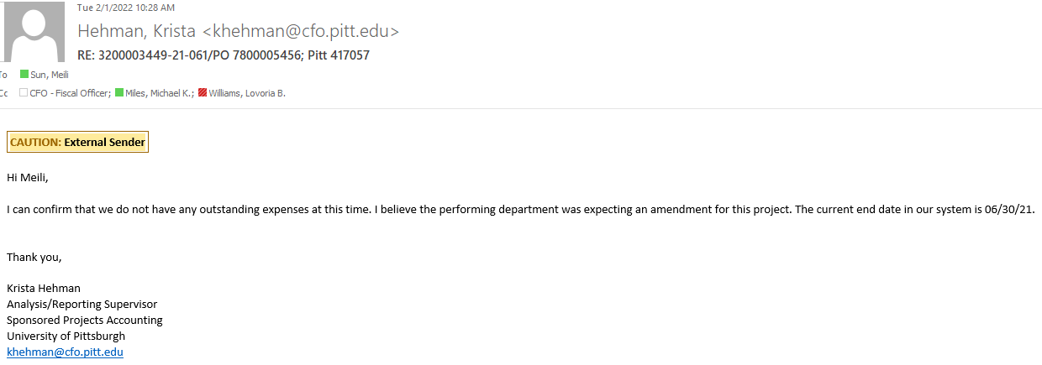
Grant Account | Subawardee | Purchase Order | Invoice # | Invoice Period | Contract Period | Budget | Invoice Amount
320000XXXX-21-061 | Univ of Pittsburgh | 780000XXXX | 261519 | 7/15/20-11/30/20 | 7/15/20-6/30/22 | $25,000.00 | $13,476.85
 |  |  | 262558 | 12/1/20-12/31/20 |  |  | $4,492.30
 |  |  | 263546 | 1/1/21-1/31/21 |  |  | $4,492.28 | $2,538.57
 |  |  | 264594 | 2/1/21-2/28/21 |  |  | $4,492.28 | $1,953.71
 |  |  | 265744 | 3/1/21-3/3121 |  |  | $4,492.28
 |  |  | 266855 | 4/1/21-4/30/21 |  | $54,117.00 | $4,492.28
 |  |  | 282809 | 7/1/21-6/30/22 |  |  | $36,362.31
 |  |  | 285126 | 7/1/22-8/31/22 |  | $41,000.00 | $70.00
 |  |  | 286303 | 9/1/22-10/31/22 | 7/15/20-6/30/23 |  | $70.00
 |  |  | 289149 | 11/01/22-12/31/22 | 7/15/20-6/30/23 |  | $70.00
 |  |  | 290879 | 1/1/2023-2/28/23 | 7/15/20-6/30/23 |  | $20,750.87
 |  |  | 292462 | 3/1/23-3/31/23 | 7/15/20-6/30/23 |  | $2,607.24
 |  |  | 293532 | 41/23-4/30/23 | 7/15/20-6/30/23 |  | $2,607.26
 |  |  | 294254 | 5/1/23-5/31/23 | 7/15/20-6/30/23 |  | $2,607.26
 |  | Total |  |  |  | $120,117.00 | $101,083.21 | $19,033.79

